Sheet1
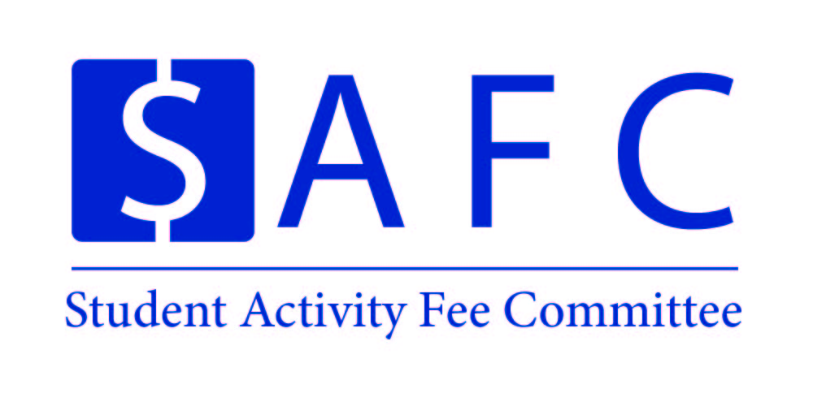 |  |  |  |  | Organization Name |  | Event Name
 |  |  |  |  | UNH SEDS |  | SpaceVision

 |  |  |  |  | Event Date: | 11/1/18-11/3/18 | Location: |  | San Diego, California
 |  |  |  |  | Time: | All Day | PPR Due: |  | #VALUE!

Proposed Expenses |  |  |  |  | Amount | Actual Expenses |  |  |  |  | Amount
Airplane Ticket and General Travel |  |  |  |  | 6,880.00 | Airplane Ticket and General Travel |  |  |  |  | 6,880.00
Hotel Housing (3 Nights) |  |  |  |  | $1,600 | Hotel Housing (3 Nights) |  |  |  |  | $1,600
Admission to the SEDS Conference |  |  |  |  | $1,360 | Admission to the SEDS Conference |  |  |  |  | $1,360

Average $440.00 per Round-Trip Flight
(16*$430 = $6,880
$100.00 per student for Hotel Stay (3 Nights)
(16*$100=$1,600)
$85.00 entrance fee for the Entire Conference
(16*$85 = $1360

Total Expenses |  |  |  |  | 9,840.00 | Total Expenses: |  |  |  |  | 9,840.00

Attendance: |  |  |  |  |  | Attendance:
Students | 16 | @ | $550 | = | $8,800 | Students | 16 | @ | $550 | = | $8,800
Non-Students | 1000 | @ | $- | = | $- | Non-Students | 1000 | @ | $- | = | $-
Additional Revenue |  |  |  |  |  | Additional Revenue
Total Revenue |  |  |  |  | $8,800 | Total Revenue |  |  |  |  | $8,800

Total SAF Subsidy |  |  |  |  | $1,040 | Total SAF Subsidy |  |  |  |  | $1,040.00
Cost Per Student |  |  |  |  | $65 | Cost Per Student |  |  |  |  | $65
Organization/Event Information
Primary Contact: | Charlie Nitschelm |  |  |  |  | Secondary Contact: | Ross Thyne
Email: | cjn1012@wildcats.unh.edu |  |  |  |  | Email: | rdt1002@wildcats.unh.edu
Notice: Please email saf.cfo1@unh.edu or saf.cfo2@unh.edu if you have any questions about filling out a Post-Programming Report, or regarding the process of bringing the PPR to the committee.

